Sheet1
FOR EDUCATIONAL PURPOSE ONLY – DO NOT USE THIS METHOD FOR DETAIL DESIGN – ALWAYS CONSULT A REPUTABLE SUPPLIER FOR DETAIL DESIGN

 | Spherical Tank volume calculator

 | To modify | Calculated
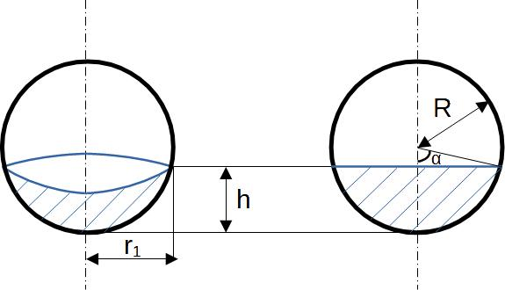
 |  |  | Tank dimensions
 |  |  | Spherical tank inside radius | R | 1 | m
 |  |  | Actual Height of liquid | h | 0.9 | m

 |  |  | Step 1 : Calculate angle alpha
 |  |  | Angle alpha | alpha | 1.471 | rad

 |  |  | Step 2 : Calculate the length r1
 |  |  | Radius of the surface of the liquid | r1 | 0.995 | m

 |  |  | Step 3 : Calculate the spherical cap volume
 |  |  | Radius of the surface of the liquid | r1 | 1.781 | m3
 |  |  | Spherical cap is at |  | Bottom of tank
 |  |  | Spherical cap is |  | Full

 |  |  | Step 4 : Calculate the total Volume
 |  |  | Spherical tank total volume | V_sphere_total | 4.189 | m3

 |  |  | Step 5 : Partial volume at height h
 |  |  | Spherical tank filled volume | V_sphere_partial | 1.781 | m3
 |  |  | % of sphere full |  | 42.53%

 | If you spot a mistake or wish to suggest an improvement, please contact : contact@myengineeringtools.com

 | Copyright www.MyEngineeringTools.com

 | The content of MyEngineeringTools.com is copyrighted but no warranty nor liability is ensured. The content of this site is to be seen as a help and important information and calculation must always be double checked by the user through the quality procedure of his organization or by checking another source. The user must always respect all applicable regulation. The use of the information is at the user and its organization own risk and own cost.

FOR EDUCATIONAL PURPOSE ONLY – DO NOT USE THIS METHOD FOR DETAIL DESIGN – ALWAYS CONSULT A REPUTABLE SUPPLIER FOR DETAIL DESIGN

