Kb
Percent of Gauge pressure PB/PS*100 PB back pressure PS set pressure | Backpressure correction factor Kb for 10% overpressure
0 | 1
5 | 1
10 | 1
15 | 1
20 | 1
25 | 1
30 | 1
35 | 0.94
40 | 0.86
45 | 0.78
50 | 0.7

Ksh
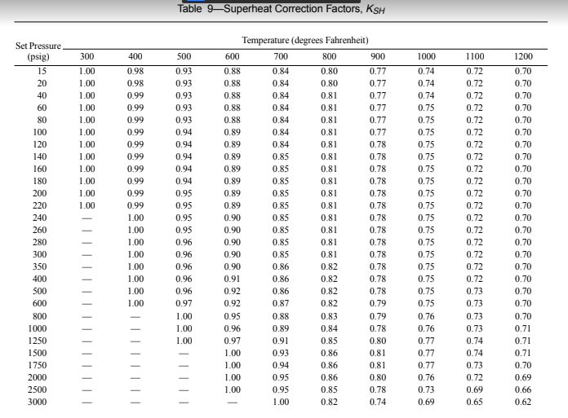

Z
