Example
FOR EDUCATIONAL PURPOSE ONLY – DO NOT USE THIS METHOD FOR DETAIL DESIGN – ALWAYS CONSULT A REPUTABLE SUPPLIER FOR DETAIL DESIGN

 | Plate Heat Exchanger one pass Design Calculator (estimation)

 | This sheet is the re-calculation of an example from Heat Exchangers, Selection, Rating and Thermal Design 4th edition, Kakac et al, CRC Press, 2020, page 411 It is provided to allow checking the calculations, please check the reference

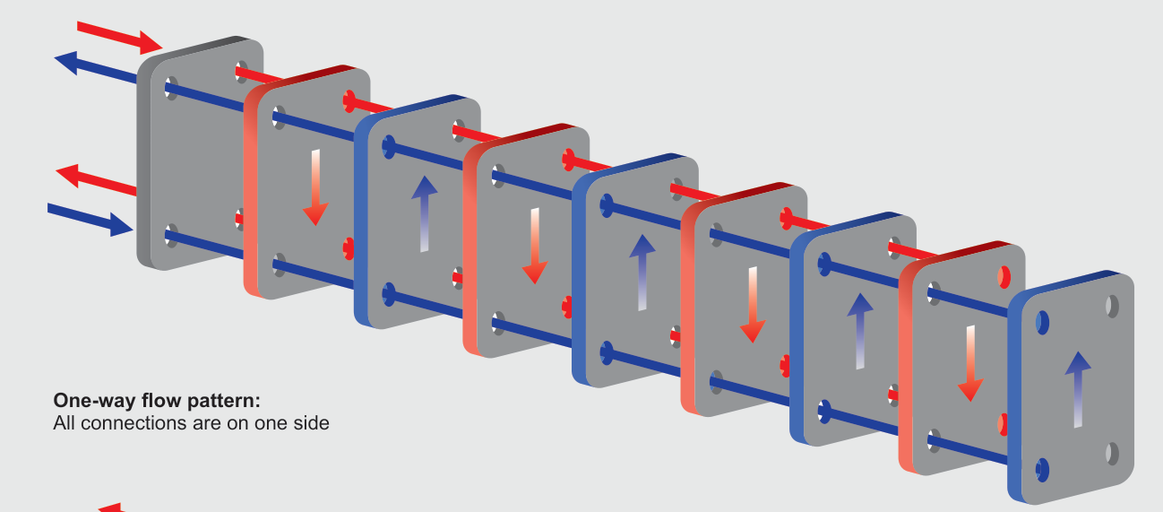
 | To modify |  | Step 1 : Gather the data required for the design |  |  |  |  |  | Readme
 | Calculated |  | Process data |  |  |  |  |  | The tool is considering a plate heat exchanger geometry in 1 flow pattern, counter current
 |  |  | If one of the temperature of the fluids at inlet and outlet, enter NA for the temperature
 |  |  | Hot Fluid to cool |  | Water
 |  |  | Hot fluid flowrate | m_hot | 504000 | kg/h
 |  |  | Hot fluid density | rho_hot | 985 | kg/m3
 | Thot inlet | Thot outlet | Hot fluid viscosity | mu_hot | 0.000509 | Pa.s
 | 65 | 45 | Hot fluid thermal conductivity | lambda_hot | 0.645 | W.mK
 |  |  | Specific heat hot fluid | Cp_hot | 4.183 | kJ/kg
 |  |  | Hot fluid inlet temperature | t_hot_inlet | 65 | c | 0
 |  |  | Hot fluid outlet temperature | t_hot_outlet | 45 | c | 0
 |  |  | Cold Fluid |  | Water
 |  |  | Cold fluid flowrate | m_cold | 504000 | kg/h
 | Tcold outlet | Tcold inlet | Cold fluid density | rho_cold | 995 | kg/m3
 | 42.0 | 22 | Cold fluid viscosity | mu_cold | 0.000766 | Pa.s
 |  |  | Cold fluid thermal conductivity | lambda_cold | 0.617 | W/mK
 |  |  | Specific heat cold fluid | Cp_cold | 4.178 | kJ/kg
 |  |  | Cold fluid inlet temperature | t_cold_inlet | 22 | c | 0
 |  |  | Cold fluid outlet temperature | t_cold_outlet | NA | c | 1
 |  |  | Heat exchanger data 1 pass
 |  |  | Type of heat exchanger |  | Plate HX
 |  |  | Number of passes | Np | 1
 |  |  | Plate material |  | Stainless Steel
 |  |  | Plate thickness | e | 0.6 | mm
 |  |  | Corrugation angle of the plates | alpha | 45 | deg
 |  |  | Thermal conductivity material of the plate | lambda | 17.5 | W/m.K
 |  |  | Effective surface area of a single plate (from manufacturer data) | Se | 1.06 | m2
 |  |  | Projected area of a single plate | Sp | 0.85 | m2
 |  |  | Surface enlargement factor | Φ | 1.25 | '-
 |  |  | Verification surface enlargement factor ok |  | Ok | '-
 |  |  | Height of a plate | Lv | 1.55 | m
 |  |  | Width of a plate | Lw | 0.63 | m | 0.00189
 |  |  | Gap in between each plate | b | 3 | mm
 |  |  | Channel passing area |  | 0.00189 | m2
 |  |  | Port diameter hot fluid | Dp_hot | 200 | mm
 |  |  | Port diameter cold fluid | Dp_cold | 200 | mm
 |  |  | Fouling resistance hot side | Rfhot | 0.00005 | m2.k/W
 |  |  | Fouling resistance cold side | Rfcold | 0 | m2.k/W
 | Note : effective and projected surface area are different. The effective surface area of a plate is higher because of the corrugations. When designing a new heat exchanger, or checking an existing exchanger, be careful to understand if the supplier is referring to effective or projected area in its documentation. If you don’t have the effective area note that the ratio Se/Sp = phi (enlargement factor) is often in between 1.15 and 1.25

 | If you check an existing heat exchanger | If you design a new heat exchanger | ASSUME an overall heat transfer cofficient for the plate HX Typical values : 2000 to 7000 W.m-2.K-1, change value in cell K56
 | Verify that the calculated heat | Modify this value to equal the | ESTIMATED heat transfer coefficient | H | 4500 | W/m2.c |  | Check if the pressure drop
 |  |  | Maximum allowable pressure drop hot side |  | 3 | bar |  | is below target
 | transfer in cell K91 or K92 | Calculated heat transfer | Maximum allowable pressure drop cold side |  | 3 | bar |  | If not, heat exchanger geometry
 | is higher than required | Coffecient in cell K91 or K92 | Step 2 Calculate the required heat flux and estimate exchange area required |  |  |  |  | must be changed
 | coffecient in cell K56 |  | Required heat flux | Phi | 11712.40 | kW
 |  |  | If one temperature is missing the tool calculated it automatically below
 |  |  | Missing temperature to calculate |  | Cold
 |  |  |  |  | outlet
 |  |  |  |  | 42.02 | c
 |  |  | Check calculation is ok (heat flux is same on both sides) |  | Ok |  | 42164640000
 |  |  | DTML then surface are calculated from fluid properties, temperature and heat transfer coeff |  |  |  | 42164640000
 |  |  |  | DTML | 22.99 | c
 |  |  | Estimated heat transfer surface required | S | 113.22 | m2

 |  |  | Step 3 Calculate the number of plates required
 |  |  | Hydraulic diameter | Dh | 0.00479 | m
 |  |  | Number of plates required | N | 107.00 | plates
 |  |  | Number of channels per fluid | n | 53.00 | channels

 |  |  | Step 4 Confirmation of the heat exchanger size
 |  |  | Velocity of hot fluid in between plates | uhot | 1.42 | m/s | 750.74479045
 |  |  | Velocity of cold fluid in between plates | ucold | 1.40 | m/s | 1397.6240391
 |  |  | Mass velocity through hot channel | Gchot | 1397.62 | kg/m2.s
 |  |  | Mass velocity through cold channel | Gccold | 1397.62 | kg/m2.s
 |  |  | Reynolds number flow on hot side | Rehot | 13160.78
 |  |  | Reynolds number flow on cold side | Recold | 8745.22
 |  |  | Enter below the Nusselt correlation coefficient, read them in sheet “coefficients”
 |  |  | Nusselt correlation coefficient a | a | 0.3
 |  |  | Nusselt correlation coefficient b | b | 0.663
 |  |  | Prandlt number on hot side | Prhot | 3.30
 |  |  | Prandlt number on cold side | Prcold | 5.19
 |  |  | Assumption : Pr_wall = Prhot resp. Prcold depending on side
 |  |  | Nusselt number on hot side | Nuhot | 239.53
 |  |  | Nusselt number on cold side | Nucold | 212.05
 |  |  | Heat transfer coefficient hot side | hhot | 32233.60 | W/m2.c
 |  |  | Heat transfer coefficient cold side | hcold | 27296.83 | W/m2.c
 |  |  | Overall heat transfer coefficient clean | H_clean | 9809.35 | W/m2.c
 |  |  | Overall heat transfer coefficient dirty | H_fouled | 6581.39 | W/m2.c
 |  |  | Safety factor |  | 1.46

 |  |  | Step 5 Pressure drop calculation
 |  |  | Enter below the Nusselt correlation coefficient, read them in sheet “coefficients”
 |  |  | Friction factory correlation cofficient Kp | Kp | 1.441
 |  |  | Friction factory correlation cofficient m | m | 0.206
 |  |  | Friction factor in hot fluid channel | fhot | 0.20
 |  |  | Friction factor in cold fluid channel | fcold | 0.22
 |  |  | Pressure drop in hot fluid channel | Dphot | 261932.28 | Pa
 |  |  | Pressure drop in cold fluid channel | Dpcold | 282078.15 | Pa
 |  |  | Hot fluid port velocity | Gphot | 4456.34
 |  |  | Cold fluid port velocity | Gpcold | 4456.34
 |  |  | Pressure drop in hot fluid port |  | 14112.96 | Pa
 |  |  | Pressure drop in cold fluid port |  | 13971.12 | Pa
 |  |  | Total pressure drop hot fluid | Dpthot | 276045.24 | Pa | 2.76 | bar
 |  |  | Total pressure drop cold fluid | Dptcold | 296049.27 | Pa | 2.96 | bar

 | If you spot a mistake or wish to suggest an improvement, please contact : contact@myengineeringtools.com

 | Copyright www.MyEngineeringTools.com

 | The content of MyEngineeringTools.com is copyrighted but no warranty nor liability is ensured. The content of this site is to be seen as a help and important information and calculation must always be double checked by the user through the quality procedure of his organization or by checking another source. The user must always respect all applicable regulation. The use of the information is at the user and its organization own risk and own cost.

FOR EDUCATIONAL PURPOSE ONLY – DO NOT USE THIS METHOD FOR DETAIL DESIGN – ALWAYS CONSULT A REPUTABLE SUPPLIER FOR DETAIL DESIGN

Heat exchanger geometry
Plate surface area
Port diameter | 200 | mm
Vertical port distance | 1550 | mm
Horizontal port distance | 430 | mm
Projected plate length | 1350.00 | mm
Plate width | 630.00 | mm
Single plate projected area | 0.85 | m2 | Projected and effective surface areas are different because of the corrugations of the plates that add effective surface area

Effective plate surface area | 1.06 | m2
Enlargement factor | 1.25

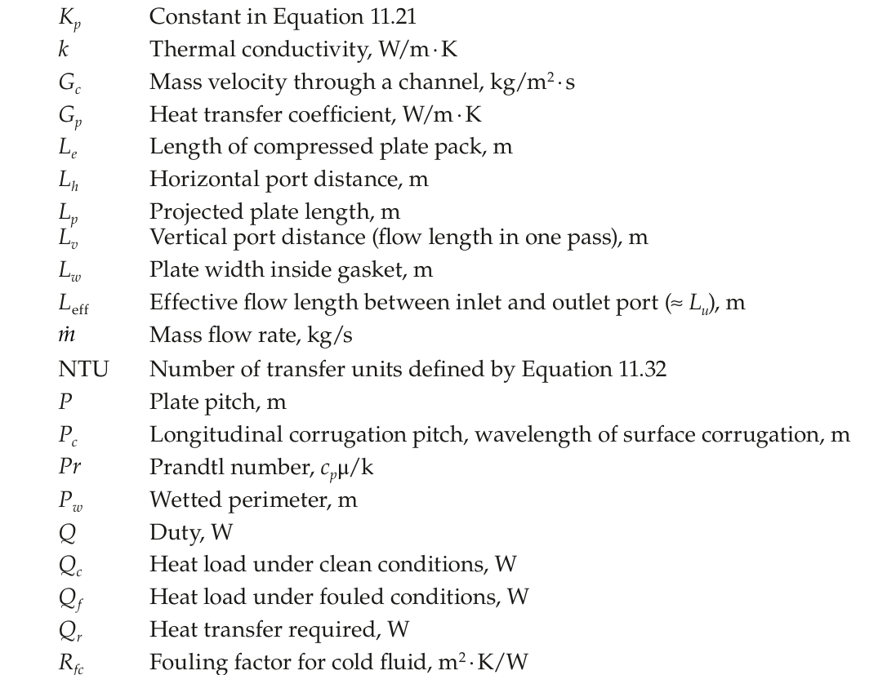

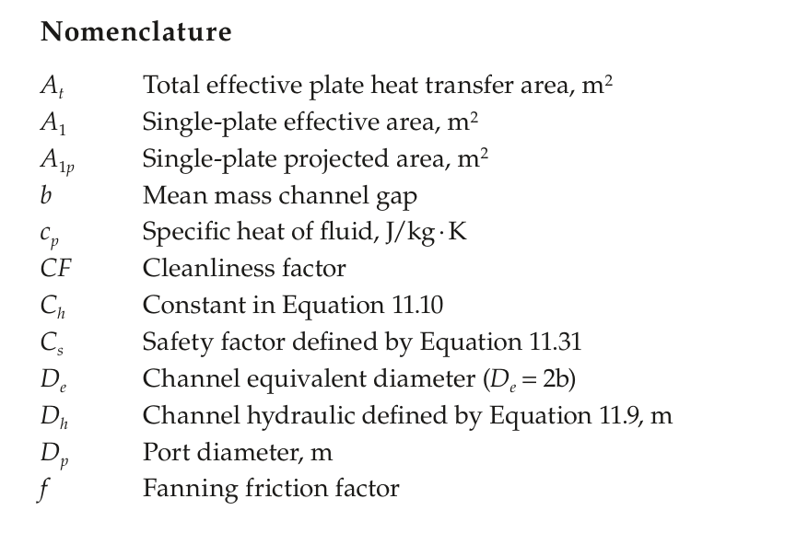

Heat exchanger examples
Example of commercial geometry
MyEngineeringTools.com has NO relation with the company, only shared as example

