Simple pipe
FOR EDUCATIONAL PURPOSE ONLY – DO NOT USE THIS METHOD FOR DETAIL DESIGN – ALWAYS CONSULT A REPUTABLE SUPPLIER FOR DETAIL DESIGN

 | Calculation Tool Heat loss of an uninsulated pipe

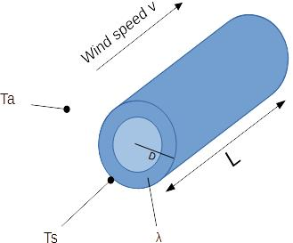
 | Temperature of pipe and air
 | Skin temperature pipe | Ts | ºc | 160 | ºR | 779.7
 | Air temperature | Ta | ºc | 20 | ºR | 527.7
 | Atmospheric conditions
 | Wind speed | v | km/h | 10 | ft/h | 32808.40
 | Specific heat of air | c | J/kg.c | 1005 | BTU/lb/F | 0.24
 | Density of air | ρ | kg/m3 | 1.22 | lb/ft3 | 0.076
 | Pipe characteristics
 | Material | - | - | Carbon steel
 | Material conductivity | λm | W/m/K | 142 | BTU/h.ft.F | 82.1
 | Tube oulet diameter | D | mm | 66 | ft | 0.22
 | Pipe length | L | m | 10 | ft | 32.81
 | Pipe external surface | A | m2 | 2.1 | ft2 | 22.32
 | Emissivity of material | ε |  | 0.8
 | Heat loss through radiation
 | Heat loss through radiation | Q radiation | kW | 2.6 | BTU/h | 8930.9
 | Heat loss through convection
 | Mass velocity of air | G | kg/h.m2 | 12200.0 | lb/h.ft2 | 2498.8
 | Heat transfer coefficient | h | W/m2/c | 30.2 | BTU/h.ft2.F | 5.3
 | Heat loss through convection | Q convection | kW | 8.8 | BTU/h | 29934.8
 | Total pipe heat loss
 | Total pipe heat loss | Q total | kW | 11.4 | BTU/h | 38865.7

 | If you spot a mistake or wish to suggest an improvement, please contact : contact@myengineeringtools.com

 | Copyright www.MyEngineeringTools.com

 | The content of MyEngineeringTools.com is copyrighted but no warranty nor liability is ensured. The content of this site is to be seen as a help and important information and calculation must always be double checked by the user through the quality procedure of his organization or by checking another source. The user must always respect all applicable regulation. The use of the information is at the user and its organization own risk and own cost.

FOR EDUCATIONAL PURPOSE ONLY – DO NOT USE THIS METHOD FOR DETAIL DESIGN – ALWAYS CONSULT A REPUTABLE SUPPLIER FOR DETAIL DESIGN

