Simple pipe
FOR EDUCATIONAL PURPOSE ONLY – DO NOT USE THIS METHOD FOR DETAIL DESIGN – ALWAYS CONSULT A REPUTABLE SUPPLIER FOR DETAIL DESIGN

 | Calculation Tool Heat flux through a single pipe KNOWING skin temperatures

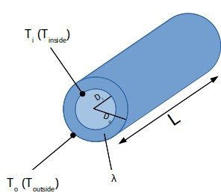
 | Pipe skin temperatures – Please input
 | Temperature inside | T1 | ºc | 4
 | Temperature outside | T2 | ºc | 4.5
 | Material conductivity | λm | W/m/K | 30
 | Tube inlet diameter | Di | mm | 81
 | Tube thickness | e | mm | 2.3
 | Tube oulet diameter | Do | mm | 85.6
 | Heat flux calculation
 | Resistance | R |  | 0.0000788
 | Heat flux | Φ | W/m2 | -6344.9
 | Heat transfer through the wall – Please input the wall size
 | Pipe length | L | m | 3.5
 | External surface | A | m2 | 0.9
 | Heat transfer | Q | W | -5971.9
 |  |  | kW | -6.0

 | If you spot a mistake or wish to suggest an improvement, please contact : contact@myengineeringtools.com

 | Copyright www.MyEngineeringTools.com

 | The content of MyEngineeringTools.com is copyrighted but no warranty nor liability is ensured. The content of this site is to be seen as a help and important information and calculation must always be double checked by the user through the quality procedure of his organization or by checking another source. The user must always respect all applicable regulation. The use of the information is at the user and its organization own risk and own cost.

FOR EDUCATIONAL PURPOSE ONLY – DO NOT USE THIS METHOD FOR DETAIL DESIGN – ALWAYS CONSULT A REPUTABLE SUPPLIER FOR DETAIL DESIGN

Pipe with insulation
FOR EDUCATIONAL PURPOSE ONLY – DO NOT USE THIS METHOD FOR DETAIL DESIGN – ALWAYS CONSULT A REPUTABLE SUPPLIER FOR DETAIL DESIGN

 | Calculation Tool Heat flux through a pipe with insulation KNOWING skin temperatures

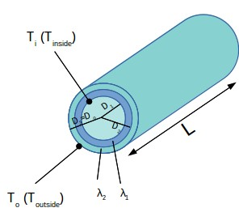
 | Pipe skin temperatures – Please input |  |  |  | You can input up to 5 layers on the pipe
 | Temperature inside | T1 | ºc | 4 | Please input the conductivity and width
 | Temperature outside | T2 | ºc | 15 |  | Thickness | D | λm | R
 |  |  |  |  | D1 |  | 81
 | Tube inlet diameter | Di | mm | 81 | D2 | 2.3 | 85.6 | 30 | 0.0
 | Tube oulet diameter | Do | mm | 135.6 | D3 | 25 | 135.6 | 0.035 | 6.6
 |  |  |  |  | D4 |  |  | 0 | 0.0
 | Heat flux calculation |  |  |  | D5 |  |  | 0 | 0.0
 | Resistance | R |  | 0.9 | D6 |  |  | 0 | 0.0
 | Heat flux | Φ | W/m2 | -12.3 |  |  |  | Sum | 6.6
 | Heat transfer through the wall – Please input the wall size
 | Pipe length | L | m | 3.5
 | External surface | A | m2 | 1.5
 | Heat transfer | Q | W | -18.4
 |  |  | kW | -0.02

 | If you spot a mistake or wish to suggest an improvement, please contact : contact@myengineeringtools.com

 | Copyright www.MyEngineeringTools.com

 | The content of MyEngineeringTools.com is copyrighted but no warranty nor liability is ensured. The content of this site is to be seen as a help and important information and calculation must always be double checked by the user through the quality procedure of his organization or by checking another source. The user must always respect all applicable regulation. The use of the information is at the user and its organization own risk and own cost.

FOR EDUCATIONAL PURPOSE ONLY – DO NOT USE THIS METHOD FOR DETAIL DESIGN – ALWAYS CONSULT A REPUTABLE SUPPLIER FOR DETAIL DESIGN

