Sheet1
FOR EDUCATIONAL PURPOSE ONLY – DO NOT USE THIS METHOD FOR DETAIL DESIGN – ALWAYS CONSULT A REPUTABLE SUPPLIER FOR DETAIL DESIGN

 | Churchill correlation Excel calculation tool Friction factor calculation

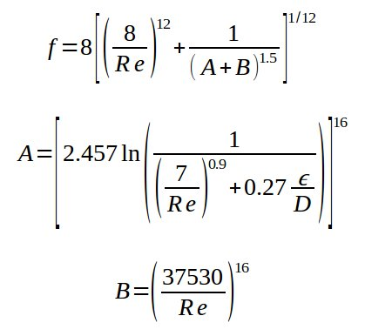

 |  | To modify | Calculated

 |  | Pipe characteristics
 |  | Pipe diameter | D | mm | 80
 |  | Pipe roughness | e | mm | 0.1
 |  | Fluid characteristics
 |  | Fluid name |  |  | Water
 |  | Fluid density | ρ | kg/m3 | 1000
 |  | Fluid viscosity | μ | Pa.s | 0.001
 |  | Flowrate | Q | m3/h | 20

 |  | Calculations
 |  | Fluid velocity in pipe | u | m/s | 1.1052426604
 |  | Reynolds | Re | - | 88419.412829
 |  | Relative roughness | e/D | - | 0.00125
 | Churchill correlation calculations | A |  |  | 1.8526581839E+20
 |  | B |  | - | 1.1099285075E-06
 |  | Darcy (Moody) friction factor | f_darcy | - | 0.023421546872
 |  | Fanning friction factor | f_fanning | - | 0.005855386718

 |  | If you spot a mistake or wish to suggest an improvement, please contact powder.process@protonmail.com

 |  | Copyright www.PowderProcess.net

 |  | The content of PowderProcess.net is copyrighted but no warranty nor liability is ensured. The content of this site is to be seen as a help and important information and calculation must always be double checked by the user through the quality procedure of his organization or by checking another source. The user must always respect all applicable regulation. The use of the information is at the user and its organization own risk and own cost.

FOR EDUCATIONAL PURPOSE ONLY – DO NOT USE THIS METHOD FOR DETAIL DESIGN – ALWAYS CONSULT A REPUTABLE SUPPLIER FOR DETAIL DESIGN

