SI Units
DO NOT USE THIS METHOD FOR DETAIL DESIGN – ALWAYS CONSULT A REPUTABLE SUPPLIER FOR DETAIL DESIGN
THIS TOOL IS GIVEN ONLY TO ILLUSTRATE THE EXAMPLE DONE IN THE WEBSITE. USING IT FOR ANY OTHER PURPOSE IS AT OWN RISK OF USER

Minimum velocity flow through check valves

 | To modify |  | Calculated

This calculation sheet is allowing to calculate the minimum fluid velocity to completely keep open a check valve

 | Piping characteristics
 | Pipe diameter | d2 | 50 | mm
 | Check valve diameter | d1 | 40 | mm |  | If minimum velocity is of type | Set to FALSE
 | Check valve type |  | Swing check valve vertical disc
 | Ratio of diameters | beta | 0.8 |  |  | If minimum velocity is of type | Set to TRUE
 | Consider beta in calculation ? |  | TRUE |  | See next page
 | Valve coefficient |  | 75 |  | See next page | Find the type of valve you study and report here the C coefficient in the right unit
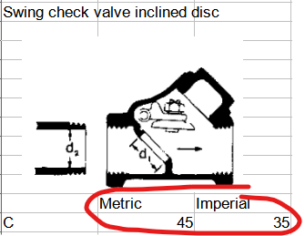
 | Fluid volumetric mass |  | 1000 | kg/m3

 | Minimum flow velocity to keep check valve opened
 | Minimum velocity |  | 1.5178932769 | m/s

 | If you spot a mistake or wish to suggest an improvement, please contact admin@powderprocess.net

 | Copyright www.PowderProcess.net

 | The content of PowderProcess.net is copyrighted but no warranty nor liability is ensured. The content of this site is to be seen as a help and important information and calculation must always be double checked by the user through the quality procedure of his organization or by checking another source. The user must always respect all applicable regulation. The use of the information is at the user and its organization own risk and own cost.

FOR EDUCATIONAL PURPOSE ONLY – DO NOT USE THIS METHOD FOR DETAIL DESIGN – ALWAYS CONSULT A REPUTABLE SUPPLIER FOR DETAIL DESIGN

Check valve database
Swing check valve inclined disc
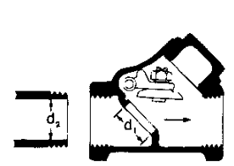

 |  |  | Minimum velocity :

 | Metric | Imperial
C | 45 | 35

Swing check valve straight disc
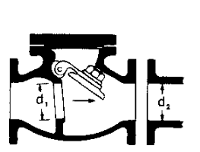

 |  |  | Minimum velocity :

 | Metric | Imperial
C | 75 | 60

Lift check valve horizontal plug
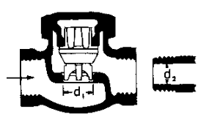

 |  |  | Minimum velocity :

 | Metric | Imperial
C | 50 | 40

Lift check valve inclined plug

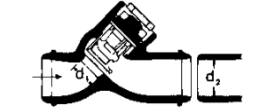

 |  |  | Minimum velocity :

 | Metric | Imperial
C | 170 | 140

Tilting disc check valve 5 degrees

 |  |  | Minimum velocity :

 | Metric | Imperial
C | 100 | 80

Tilting disc check valve 15 degrees

 |  |  | Minimum velocity :

 | Metric | Imperial
C | 40 | 30

Stop check valve, globe |  |  |  | Stop check valve, angle
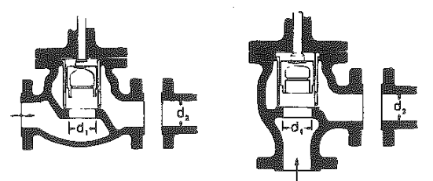

 |  |  |  |  |  |  | Minimum velocity :

 | Metric | Imperial |  |  | Metric | Imperial
C | 70 | 55 |  | C | 95 | 75

Stop check valve, angle

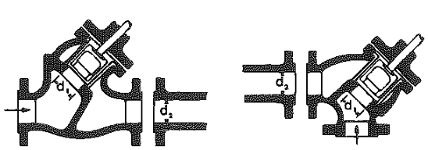

 |  |  |  | Minimum velocity :

 | Metric | Imperial
C | 75 | 60

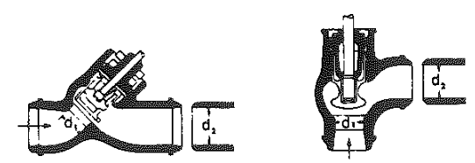

 |  |  |  | Minimum velocity :

 | Metric | Imperial
C | 170 | 140

Poppet disc

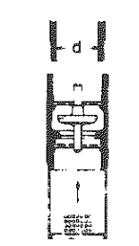

 |  | Minimum velocity :

 | Metric | Imperial
C | 20 | 15

Hinged disc

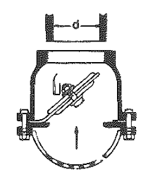

 |  | Minimum velocity :

 | Metric | Imperial
C | 45 | 35

