Agitator type
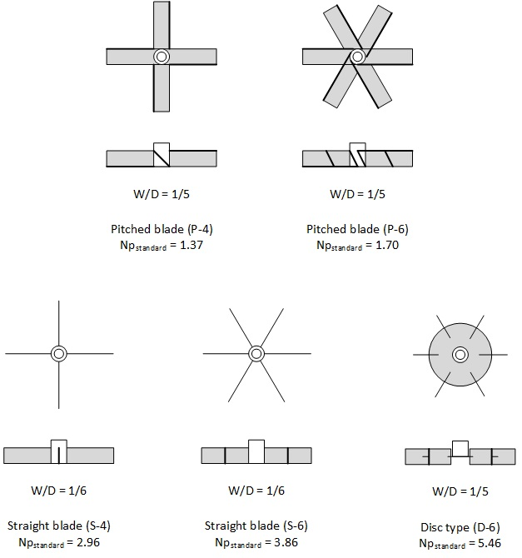

fmu
Viscosity power factor as function of impeller Reynolds number
 | Straight blade impellers | Pitched blade impellers
1 | 18 | 38
2 | 9.2 | 19.5
5 | 3.8 | 7.8
10 | 2.2 | 4.5
20 | 1.4 | 3
50 | 1.05 | 2
70 | 1
100 |  | 1.6
200 |  | 1.3
500 |  | 1.1
1000 |  | 1

